Flowchart
 | 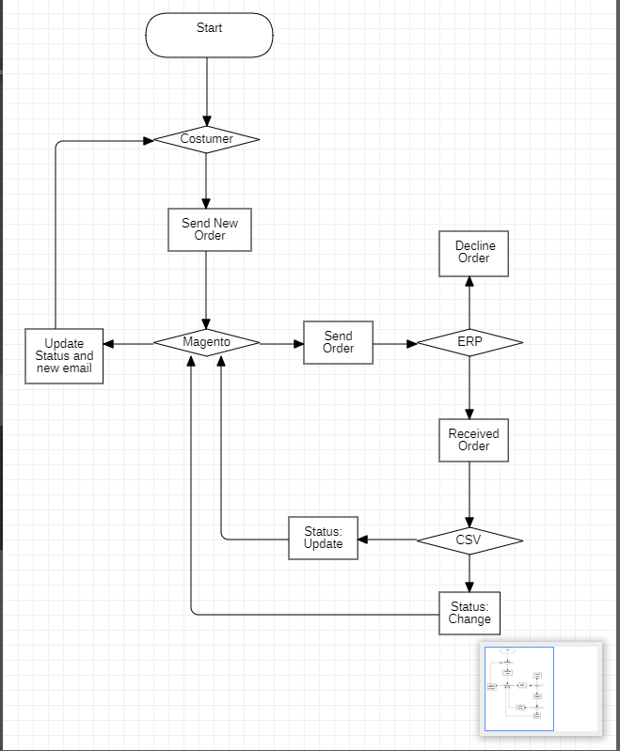

*Flowchart: General Order Status Flow and Steps:
1 | Magento receives an order from a customer.
2 | Magento sends the order details to the ERP system for processing.
3 | The ERP system processes the order (e.g., payment verification, fulfillment).
4 | If there's a status change (e.g., order paid, shipped, cancelled), the ERP system generates a CSV file containing the updated order statuses.
5 | Magento periodically checks for incoming CSV files from the ERP system.
6 | When a CSV file is received, Magento reads the data and updates the order statuses accordingly.
7 | Magento updates the customer accounts with the new order statuses.
8 | Magento sends order update emails to customers, reflecting the new statuses.

